Cover
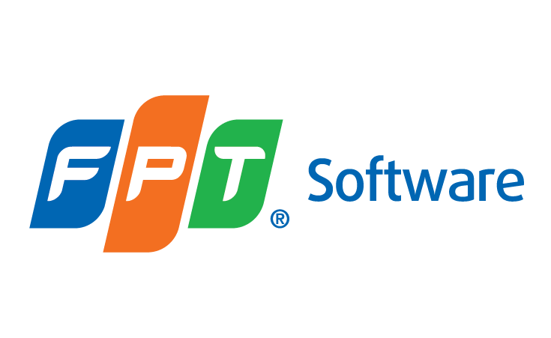

CHECKLIST

Assignment Code Review

 | Code | <DOCUMENT CODE>
 | Version | 1.0
 | Effective Date | TBD

